SUMMARY
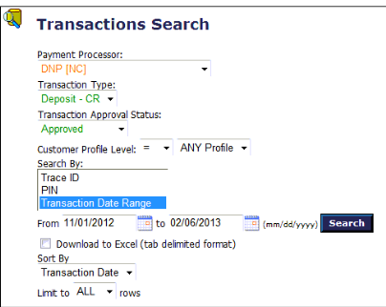
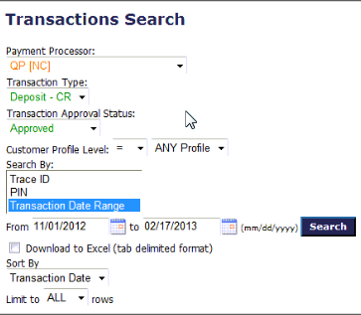
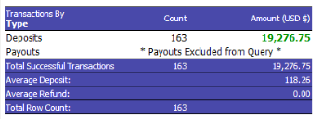
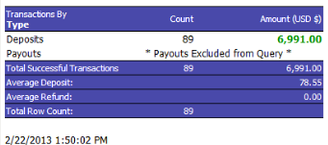
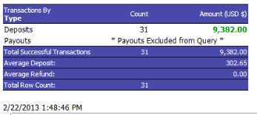
 |  | AMOUNT |  | ROLLING | ACCOUNTS |  | ROLLING |  |  |  | NON SETTLE
PROCESSOR | UP TO | PROCCESED | FEES | RESERVE | RECEIVABLE |  | RESERVE |  | FROM | TO | TRANSACTIONS
DPN | 2013-02-06 | $19,226.75 | $2,263.42 | $1,922.68 | $15,040.65 | ** | $1,922.68 |  | 2013-02-07 | 2013-02-21 | $3,221.28
QP16 VIP | 2013-02-17 | $9,380.46 | $4,143.16 | $938.05 | $4,299.25 |  | $938.05 |  | 2013-02-18 | 2013-02-21 | $-
QP18 NB | 2013-02-17 | $6,986.53 | $6,755.86 | 698.653 | $(467.98) |  | $698.65 |  | 2013-02-18 | 2013-02-21 | $250.00

TOTALS |  | $35,593.74 | $13,162.44 | $3,559.37 | $18,871.93 |  | $3,559.37 | This amount will be received 180 days after

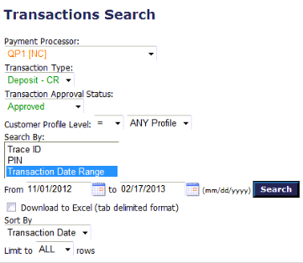
DNP DF |  |  |  |  | QP16 VIP DF |  |  |  | QP18 NB DF

